Cover Page


BD (BDX) Valuation - Group 23

Table of Contents: | Analysts:
Sheet 1: Assumptions Explanation | Arisa Akiyama 1005763238
Sheet 2: Inputs | Sahand Davari 1007130230
Sheet 3: Historical Analysis | Majd Hijazi 1005691020
Sheet 4: Revenue Model | Victoria Magowan 1005152521
Sheet 5: DCF Valuation | Zhenyu Wang 1007072089
Sheet 6: Comparables | Yuchen Zhang 1005727830
Sheet 7: BD Debt
Sheet 8: Cost of Debt
Sheet 9: Cost of Equity
Sheet 10: WACC
Sheet 11-14: BD Financials

Assumptions Explanation
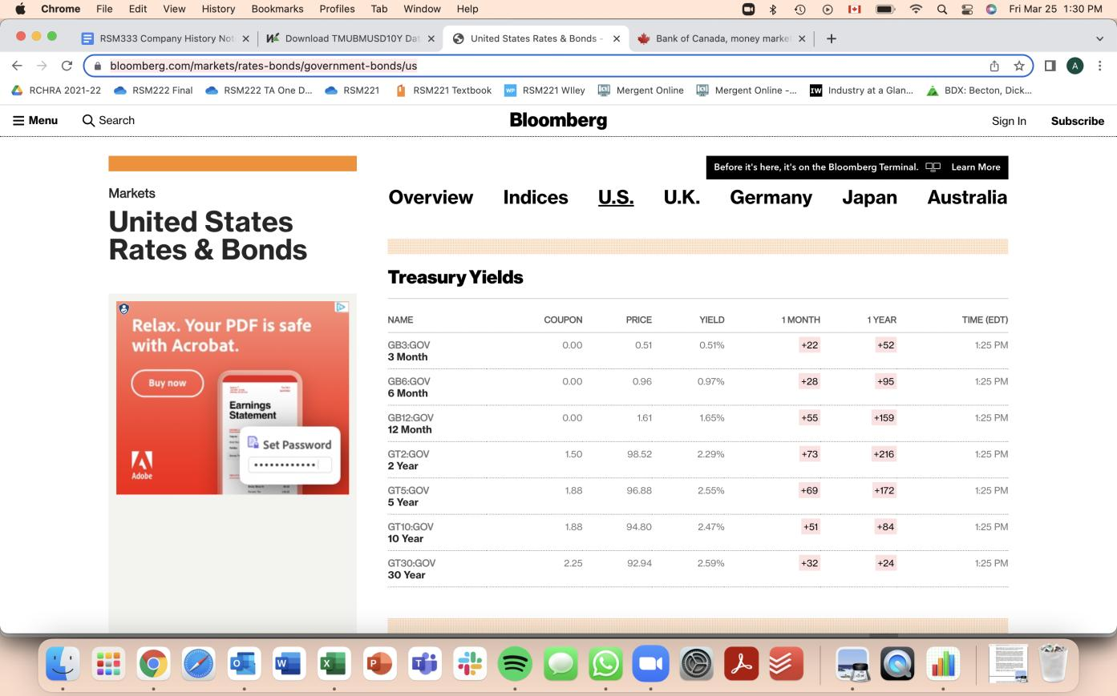
Ref. # | Explanation of Assumption
1 | The revenue growth rate is based on each segment's historical growth rate subject to adjustments based on current market conditions and future prospects.
2 | COGS as % of revenue is used in our model since it is relatively stable over the years and it is highly correlated with revenue. There are significant inflation pressures which are expected to increase the prices of raw materials. It is also stated in BD's 2021 Annual Report that costs of raw materials, transportation, construction and other necessary costs for production and distribution of products have increased significantly. These pressures on its supply chain are expected to continue to increase. Therefore, we have adjusted the COGS as a % of revenue to be 3% higher than the historical average from 2016-2021. (BD Annual Report 2021 page 15)
3 | OpEx as % of revenue is used in our model since it is relatively stable over the years and it is highly correlated with revenue. We then adjusted the cost to be a higher percentage as BD's costs are anticipated to increase. Firstly, the EU has recently adopted the EU Medical Device Regulation and the In Vitro Diagnostic Regulation which impose strict requirements for the marketing and sale of medical devices. Compliance and maintenance of medical devices subject to these regulations will increase operating expenses (BD Annual Report 2021 page 18). As mentioned in assumption 2, BD is subject to high inflation pressures which are expected to increase its operating expenses. In addition, the higher transportation and shipping costs as outlined in assumption 2 are expected to increase selling and administrative expenses. Overall, to account for these inflationary pressures on BD's costs, we have increased the OpEx as a % of revenues by 4% compared to the historical average.
4 | D&A as % of revenue is used in our model since it is relatively stable over the years and D&A has a higher correlation with revenue compared to Net PPE.
5 | Statutory US tax rate in 2021 is 21%.
6 | The effective tax rate is much lower than federal statutory tax rate each year due to different foreign income tax on its foreign income (See BD Annual Report 2021 Note 16 - Income Taxes pg 99 and BD Annual Report 2018 Note 16 - Income Taxes pg 97). Since there is very high variability in the effective tax rate and we cannot reasonably predict the changes in the tax rates for each foreign country that BD operates in, we assume the US statutory tax rate of 21%.
7 | It is more reasonable to use change in NWC as a % of revenue since the annual growth rate is very volatile with a high standard deviation.
8 | CAPEX as % of revenue is used in our model since it is relatively stable over the years and it is highly correlated with revenue. We increased CAPEX as a % of revenue by 2% of the previous year as the CAPEX has been increasing each year from 2016 to 2021, with the exception of 2020 which was affected by the COVID-19 pandemic. Furthermore, management has expressed its strategy of geographic expansion which supports our assumption. (BD Annual Report 2021 page 39)
9 | Increased revenue growth by .25 percentage points in bull case supported by an increase in the aging baby boomer population, an increase in chronic disease prevalence, and an assumed increase in elective procesures as virus eliminates all increasing demand.
10 | COGS as % of revenue in the Bull case is decreased by 1 percentage point as supported in the company successfully cutting manufacturing and supplier costs.
11 | OpEx as a % of revenue in the Bull case decreases by 1 percentage point as supported in successfully cutting operational expenses.
12 | We assume that D&A as a % of revenue decreases in the Bull case by one percentage point.
13 | We assume that CAPEX as a % of revenue in the Bull case decreases by 0.2 percentage points. We adjust for a small decrease as we believe that it is unlikely that the firm will decrease capital expenditures based on its increased spending on capital expenditures in the past few years.
14 | We assume that net working capital as % of revenue increases by 0.5 percentage points in the Bull case.
15 | Effective tax rate decreases in the Bull case to account for possible decrease compared to the statutory rate, especially due to foreign tax rate fluctuations.
16 | Revenue growth decreases in Bear market as explained potentially due to maturing product lines and inability of company to continually reinnovate.
17 | Increased COGS as % of revenue in Bear case by 3 percentage points relating to increased supply chain challenges, higher shipping costs, and cost inflation.
18 | Increasing OPEX as % of revenue in Bear case due to continued inflation, higher supply chain challenges, and higher shipping costs.
19 | D&A as a % of revenue increases in Bear case as the company is investing in fixed assets as seen in the cash flow statement.
20 | We assume in the Bear case that capital expenditures as % of revenue increases by 2 percentage points as it is probable that capital expenditures will increase based on the historical trend of increased capital expenditures over the years.
21 | In the Bear case, we assume that the change in NWC as % of revenue decreases by 0.5 percentage points.
22 | In the Bear case, effective tax rate increases to account for possible increase compared to the statutory rate, especially due to foreign tax rate fluctuations.
23 | BD has announced that it will spin-off the Diabetes Care Unit which produced $1.16 billion in revenue in FY2021 (BD Annual Report 2021 page 27). We adjust the revenue of FY2022 down by the same amount multiplied by the average annual growth rate of the past 5 years to arrive at a negative annual growth rate for the year. The average of the past five year's annual revenue growth rate is used as the base for our projections of the annual growth rate in the next four years and it is multiplied by ratio of all of the other revenues excluding the Diabetes Care unit over the total revenues in the Medical Segement in 2021 to account for a lower growth due to the loss of the unit (BD Annual Report 2021 page 27). We did not adjust for COVID-19 impacts on revenues as the decrease in the growth rate in FY2020 due to COVID-19 related pressures is offset by the increase in the growth rate in FY2021.
24 | The BD Life Sciences Segment experienced tremendous growth in revenues in FY2021 largely due to its COVID testing systems. The FY2022 is adjusted down to be the historical growth rate as demand for testing kits is expected to decrease as the pandemic conditions are anticipated to improve. We then further decreased the growth rate in FY2022 by 5% due to a product recall of Alaris which accounts for a large portion of the Medical Segment revenues. Although the liabilities incurred from the recall are only around $156 million with respect to remediation costs (BD Annual Report 2021 page 28), we assume that there will be lost sales due to its impact on customer perception and decreased ESG reporting score. The FY2023, FY2024, FY2025 and FY2026 annual growth rates take the average of the growth rates from FY2017-FY2020, which excludes the high demand in FY2021, and is further adjusted downward to account for the Alaris product recall (BD Annual Report 2021 pg. 21).
25 | For the BD Interventional Segment, the average of the historical annual revenue growth rate is used as the base for our projections of the annual growth rate in the next five years. However, we remove the annual growth rate in 2019 as it reflects an inflated increase due to the inclusion of revenues from a new acquisition (BD Annual Report 2019 page 28). We believe this segment will continue to grow as the company has invested a consistent amount as capital expenditures into this segment with $120 million, $119 million, and $125million in FY2019, FY2020, and FY2021 respectively (BD Annual Report 2021 page 76). We did not adjust for COVID-19 impacts on revenues as the decrease in the growth rate in 2020 due to COVID-19 related pressures is offset by the increase in the growth rate in FY2021.
26 | We assumed that the terminal growth rate is 2% with a conservative estimate aligned with the target inflation rate of the Federal Reserve . This is below the historical average GDP growth rate of around 3.14% from 1948 until 2021. | https://ycharts.com/indicators/us_inflation_rate
27 | Since the cash flows are discounted to the fiscal year end of the company of September 31, 2021 under our DCF model, we adjust the discounted time period to discount back to January 24, 2022. | https://tradingeconomics.com/united-states/gdp-growth-annual#:~:text=GDP%20Annual%20Growth%20Rate%20in,the%20second%20quarter%20of%202020.
28 | Located comparable companies through Factset, filtering through General Medical Devices in the North American region, with market caps over 10,000,000
29 | Benchmark 10 year American treasury yield as of March 25th, 2022. (see screenshort below) | https://www.bloomberg.com/markets/rates-bonds/government-bonds/us
30 | Risk premium in the US has an average of 5.5% in 2021, where the historical average has been between 5.2%-5.7%. Thus, we believe that a 5.5% estimate is reasonable. | https://www.statista.com/statistics/664840/average-market-risk-premium-usa/#:~:text=The%20average%20market%20risk%20premium,and%205.7%20percent%20since%202011.

WACC
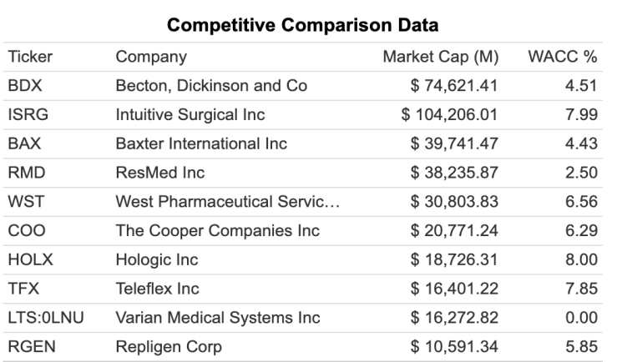
Total Equity(in millions) | 74621 |  | weight of equitiy | 80.1159%

Total Debt(in millions) | 18520.29637 |  | weight of debt | 19.8841%

Cost of debt | 2.4110% |  | DE Ratio | 24.8191%

Cost of Equity | 6.1305% |  | WACC | 5.29024%

Tax rate | 0.21 | Assumption 6

